Dice Mobile Library
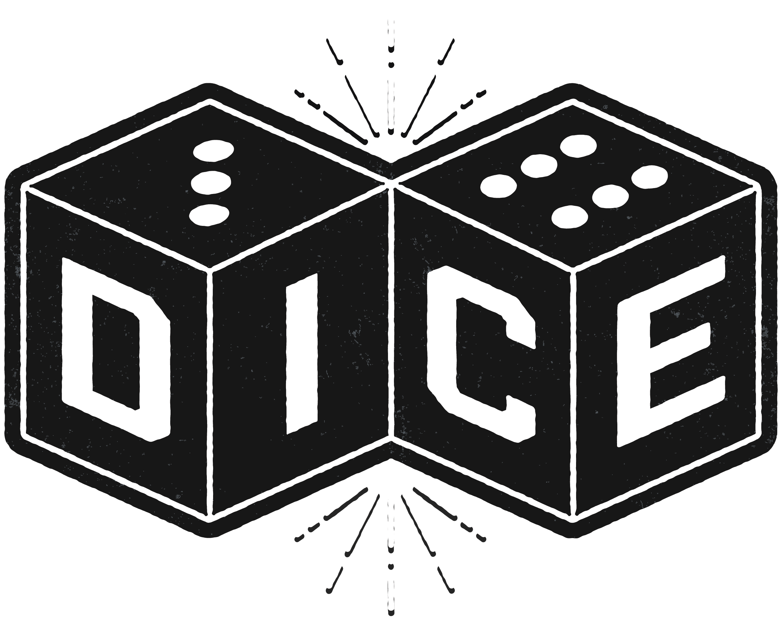

Game Name | Quantity | Genre | Player # | Time to Play

3 wishes | 1 | Party/Family | 3-5 | 3-5 Min
Arcadia Quest | 1 | Fantasy/Dice Rolling | 2-4 | 60 Min
Architectura | 1 | Card/City building | 2-4 | 30- 45 Min
Arokah | 1 | Abstract | 1-2 | 20 Min
Assembly | 1 | Card/Puzzle/Abstract | 1-4 | 10-20 Min
Avalon | 1 | Party/Deduction | 5-10 | 30 Min
Azul | 1 | Abstract/Family | 2-4 | 30-45 Min
Buccaneer Bones | 1 | Family/Dice | 1-4 | 15 min
Bucket of Doom | 1 | Party | 4-20 | 30 Min
Carcassonne | 1 | Family/City Building | 2-5 | 30-45 Min
Cash N Guns | 1 | Party/Bluffing | 4-6 | 30 Min
Catan | 1 | Family/Strategy | 3-4 | 60-120 Min
Celesta | 1 | Family/Bluffing | 2-6 | 30 Min
Champions of Midguard | 1 | Strategy | 2-4 | 60-90 Min
Clans of caledonia | 1 | Strategy | 1-4 | 30-120 Min
Cobra Paw | 1 | Action/dexterity | 2-6 | 5-15 Min
Codenames | 2 | Party | 2-8 | 15 Min
Colony | 1 | Strategy | 1-4 | 45-60 Min
Colour brain | 1 | Party | 3-6 | 30 Min
Colt express | 2 | Family | 2-6 | 30-40 Min
Concept | 1 | Party | 4-12 | 40 Min
Cortex | 2 | Card Game/Educational | 2-6 | 15 Min
Coup | 1 | Party/Card Game | 2-6 | 15 Min
CS Files | 1 | Party/Bluffing | 4-12 | 20 Min
DC Comic deck builder | 1 | Card | 2-5 | 45 Min
Dead of winter | 1 | Horror | 2-5 | 60-120 Min
Deception | 1 | Party/Bluffing | 4-12 | 20 Min
Delve | 1 | Dice | 2-4 | 60 Min
Dinosaur island | 1 | Strategy | 1-4 | 90-120 Min
Dixit | 1 | Party | 3-6 | 30 Min
Dogs | 1 | Family | 2-4 | 60 Min
Elemenz | 1 | Dice | 2-4 | 12-30 Min
Eminent Domain | 1 | Strategy | 2-4 | 45 Min
Endangered Orphans | 1 | Horror | 1-4 | 10-30 Min
Escape the Dark Castle | 2 | Horror/Card | 1-4 | 20-45 Min
Fairy Tale Flux | 1 | Card | 2-6 | 5-30 Min
Firefly Flux | 1 | Card | 2-6 | 5-30 Min
First Martians | 1 | Strategy | 1-4 | 60-90 Min
Forbidden Island | 1 | Family | 2-4 | 30 Min
Forbidden Sky | 1 | Family | 2-5 | 60 Min
Frutti Di Mare | 1
Funky chicken | 1
Ghost blitz | 1
Good Question | 1
Game of Thrones: Catan | 1
Great Scott | 1
Guards of Atlantic | 1
Happy Salmon | 1
Harvest | 1
Highlander: The Duel | 1
Hive | 1
Hostage Negotiator: crime wave | 1
Hotel Tycoon | 1
Karate Fight | 1
King of Tokyo | 1
Labyrinth | 1
Legendary Showdown | 1
Looney Quest | 1
Lord of the rings | 1
Love Letter | 1
Maki Stack | 1
Manhattan Prohect:mom | 1
Math Flux | 1
Meeple Circus | 1
Mega city Oceania | 1
Megaland | 1
Minecraft Card Game | 1
Mystic Vale | 1
Not Alone | 1
Ominoes | 1
Ominoes Dice | 1
Orbit Battle | 1
Pandemic | 2
Patchwork Express | 1
Patriots & Redcoats | 1
Plague inc. | 1
Pucket | 2
Quacks of Quedlinburg | 1
Quirk legends | 1
Quirk Monsters | 1
Quirk | 1
Rainbow Rage | 1
Raptor | 1
Reef | 1
Remnants | 1
Roll player | 1
Runewars | 1
Sandcastles | 1
Shadows over Camelot card game | 1
Shark Alarm | 1
Skull | 1
Smash up | 1
Splendor | 1
Star Realms | 1
Sunset over water | 1
Sushu Go party! | 1
Swamped | 1
Takenoko | 1
Terraforming mars | 2
The Football Game | 1
The little flowers shop | 1
Thornwatch | 1
Ticket To Ride | 2
Ticket to Ride Europe | 1
Time Stories | 1
Tiny Epic Kingdoms | 1
Town of Salem: card game | 2
Trip lock | 1
Tsuro | 1
Tumble Tower | 1
Unstable Unicrons | 1
Vast:Crystal Caverns | 1
Walk the plank | 1
Werewolves | 1
What's their name | 1
Wibbell | 1
Yes! No! | 1

